Video
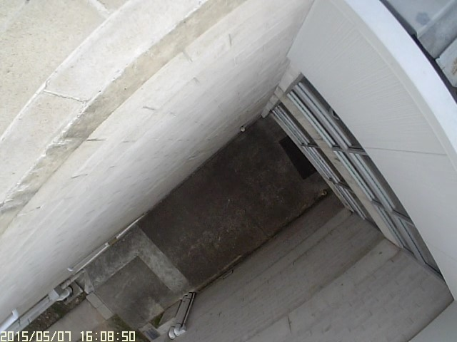
Timestamp | Number of targets | Notes
14:44:30 | 1 |  | Video observations
14:45:10 | 1 |  | Counts occur when target enters the detection circle
14:46:09 | 1 |  | Video reviewed at 8x speed
14:46:38 | 2 |  | Timestamps taken from camera
14:47:49 | 1 |  | Camera clock synchronised before test
14:49:11 | 0 | camera shakes - Reset
14:49:54 | 2
14:50:02 | 1
14:52:22 | 1
14:53:27 | 0 | leaf
14:54:08 | 1
14:56:55 | 1
14:57:56 | 1
15:11:05 | 1
15:16:21 | 1
15:16:33 | 1
15:18:13 | 1
15:24:12 | 1
15:25:40 | 1
15:27:03 | 1
15:29:55 | 1
15:32:31 | 2
15:37:23 | 1
15:37:31 | 1
15:37:33 | 1
15:42:18 | 1
15:43:01 | 2
15:43:06 | 1
15:43:24 | 1
15:44:07 | 1
15:48:26 | 1
15:49:22 | 1
15:53:19 | 1
15:59:44 | 1
16:01:02 | 1
16:02:50 | 1
16:06:26 | 2
16:06:40 | 1
16:08:38 | 1
16:08:57 | 1
16:14:51 | 1
16:17:51 | 1
16:17:57 | 1
16:21:34 | 1
16:22:56 | 1
16:24:19 | 1
16:27:27 | 1
16:28:38 | 1
16:29:06 | 1
16:28:31 | 1
16:30:23 | 1
16:32:54 | 1
16:33:20 | 1
16:34:39 | 1
16:34:52 | 1
16:36:44 | 1
16:39:01 | 1
16:39:08 | 1
16:39:56 | 1
16:40:13 | 1
16:43:40 | 1
16:44:36 | 2
16:45:45 | 1
16:46:08 | 1
16:47:04 | 1 | Target stays in visible range for 40 seconds
16:48:37 | 1
16:48:59 | 1
16:50:29 | 1
16:50:49 | 1
16:51:07 | 1
16:53:26 | 1
16:54:04 | 1
16:56:27 | 1
16:59:12 | 1
17:00:11 | 1
17:00:23 | 1
17:02:43 | 1
17:03:07 | 1
17:05:12 | 1
17:06:35 | 1
17:06:58 | 1
17:08:05 | 1
17:08:37 | 1
17:15:10 | 1
17:15:48 | 2
Total | 85 | 90

Graphical Comparison
Pedestrian detection using non-invasive sensing - Sensor comparison
 | UVD | Video (actual)
14:49:30 | 0 | 0
14:49:35 | 0 | 0
14:49:40 | 0 | 1
14:49:45 | 0 | 1
14:49:50 | 0 | 1
14:49:55 | 0 | 2
14:50:00 | 0 | 2
14:50:05 | 0 | 2
14:50:10 | 0 | 2
14:50:15 | 0 | 2
14:50:20 | 0 | 2
14:50:25 | 0 | 2
14:50:30 | 0 | 2
14:50:35 | 0 | 2
14:50:40 | 0 | 2
14:50:45 | 0 | 2
14:50:50 | 0 | 2
14:50:55 | 0 | 2
14:51:00 | 0 | 2
14:51:05 | 0 | 2
14:51:10 | 0 | 2
14:51:15 | 0 | 2
14:51:20 | 0 | 2
14:51:25 | 0 | 2
14:51:30 | 0 | 2
14:51:35 | 0 | 2
14:51:40 | 0 | 2
14:51:45 | 0 | 2
14:51:50 | 0 | 2
14:51:55 | 0 | 2
14:52:00 | 0 | 2
14:52:05 | 0 | 2
14:52:10 | 0 | 2
14:52:15 | 1 | 2
14:52:20 | 1 | 2
14:52:25 | 1 | 3
14:52:30 | 1 | 3
14:52:35 | 1 | 3
14:52:40 | 2 | 3
14:52:45 | 2 | 3
14:52:50 | 2 | 3
14:52:55 | 2 | 3
14:53:00 | 2 | 3
14:53:05 | 2 | 3
14:53:10 | 2 | 3
14:53:15 | 2 | 3
14:53:20 | 2 | 3
14:53:25 | 2 | 3
14:53:30 | 2 | 3
14:53:35 | 2 | 3
...

